Sheet1
Student List

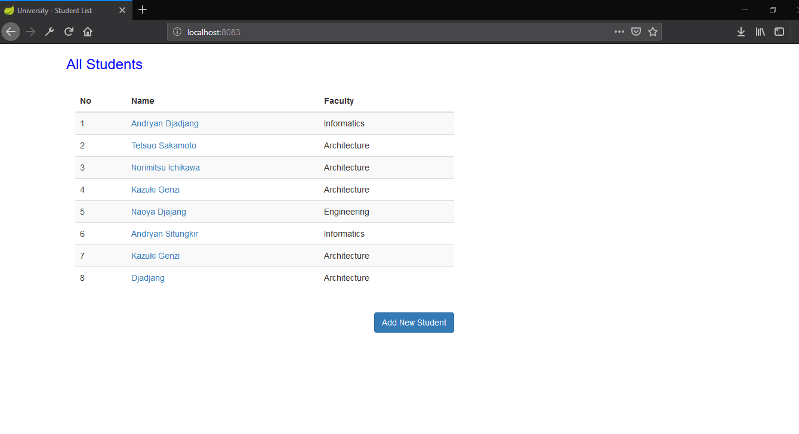

New Student

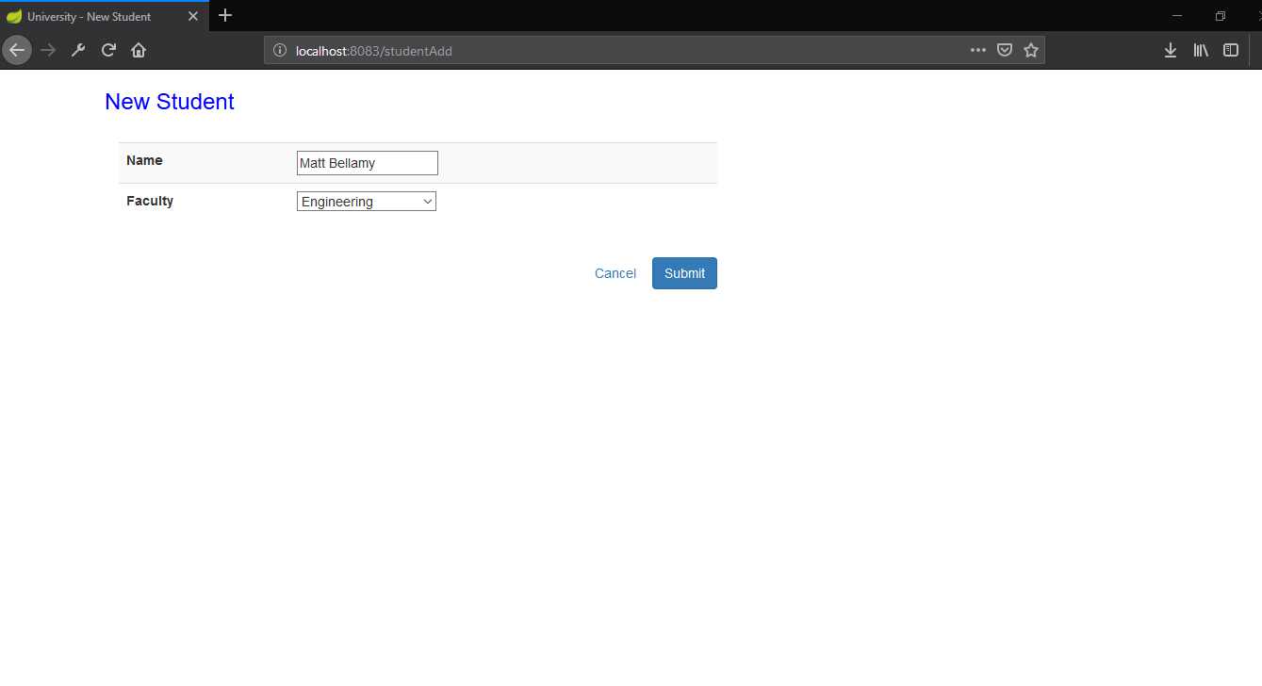

Succesfully add new student (Matt Bellamy)

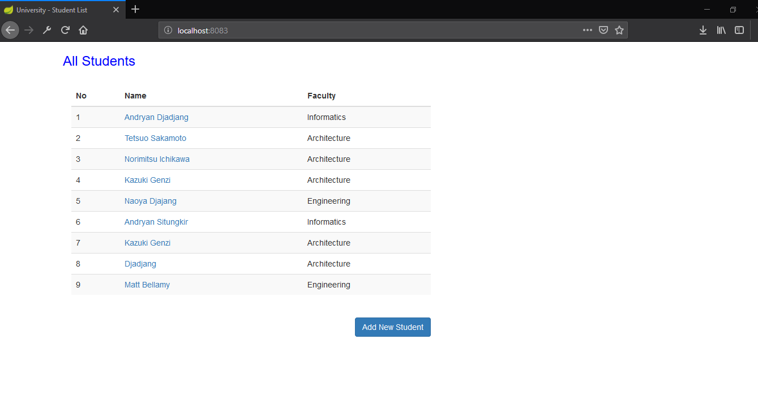

Student Detail

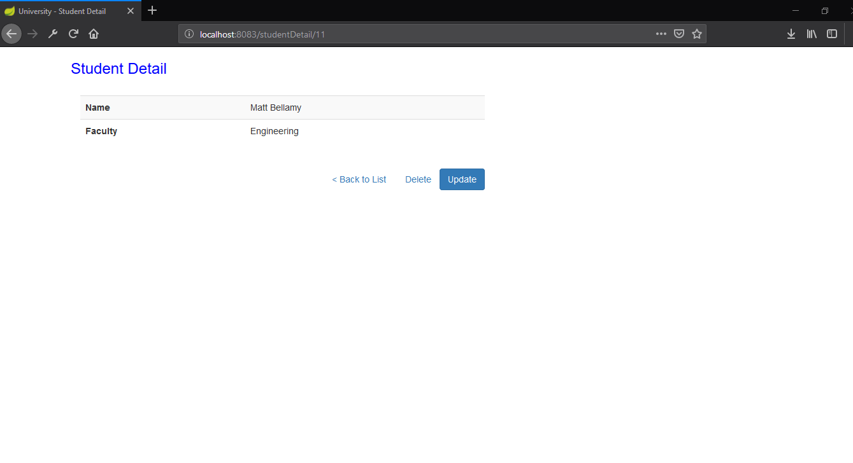

Update Student

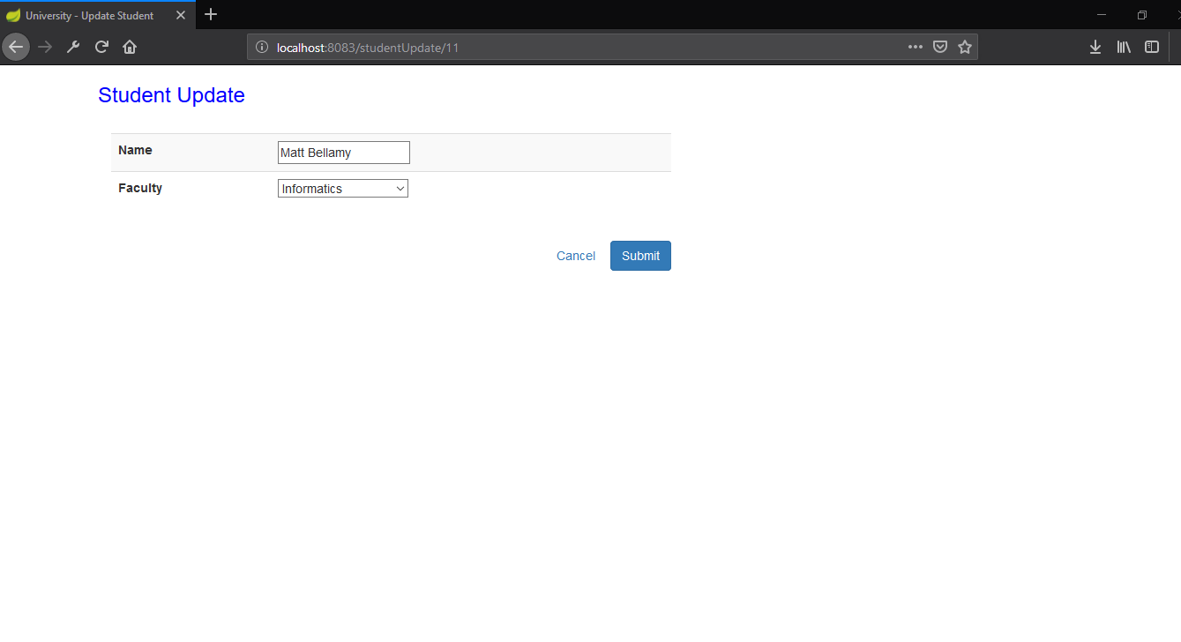

Successfully update Faculty from Engineering to Informatics



Delete User Matt Bellamy

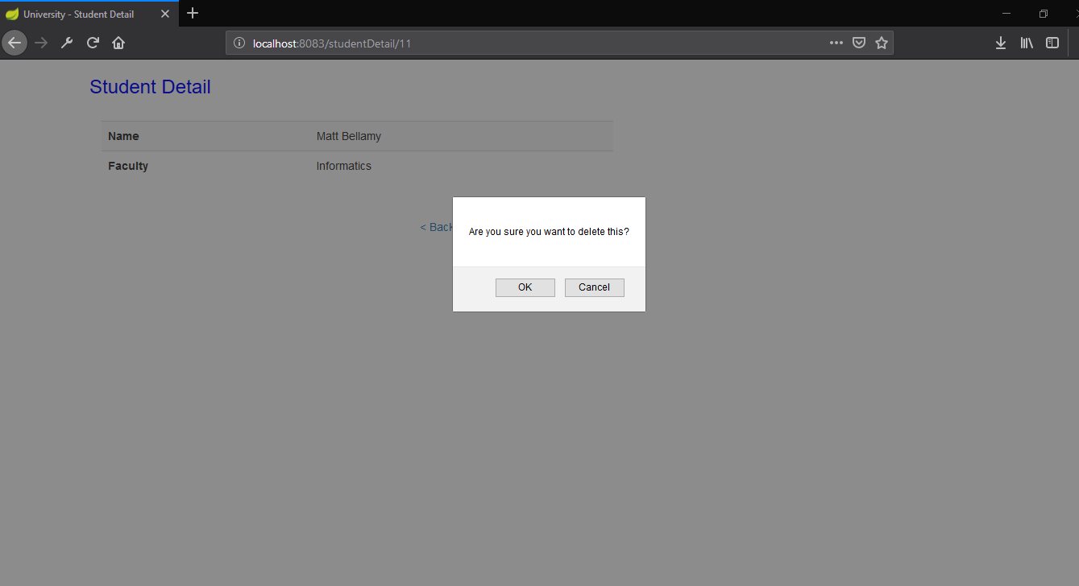

Successfully Delete Matt Bellamy

